Lab Details
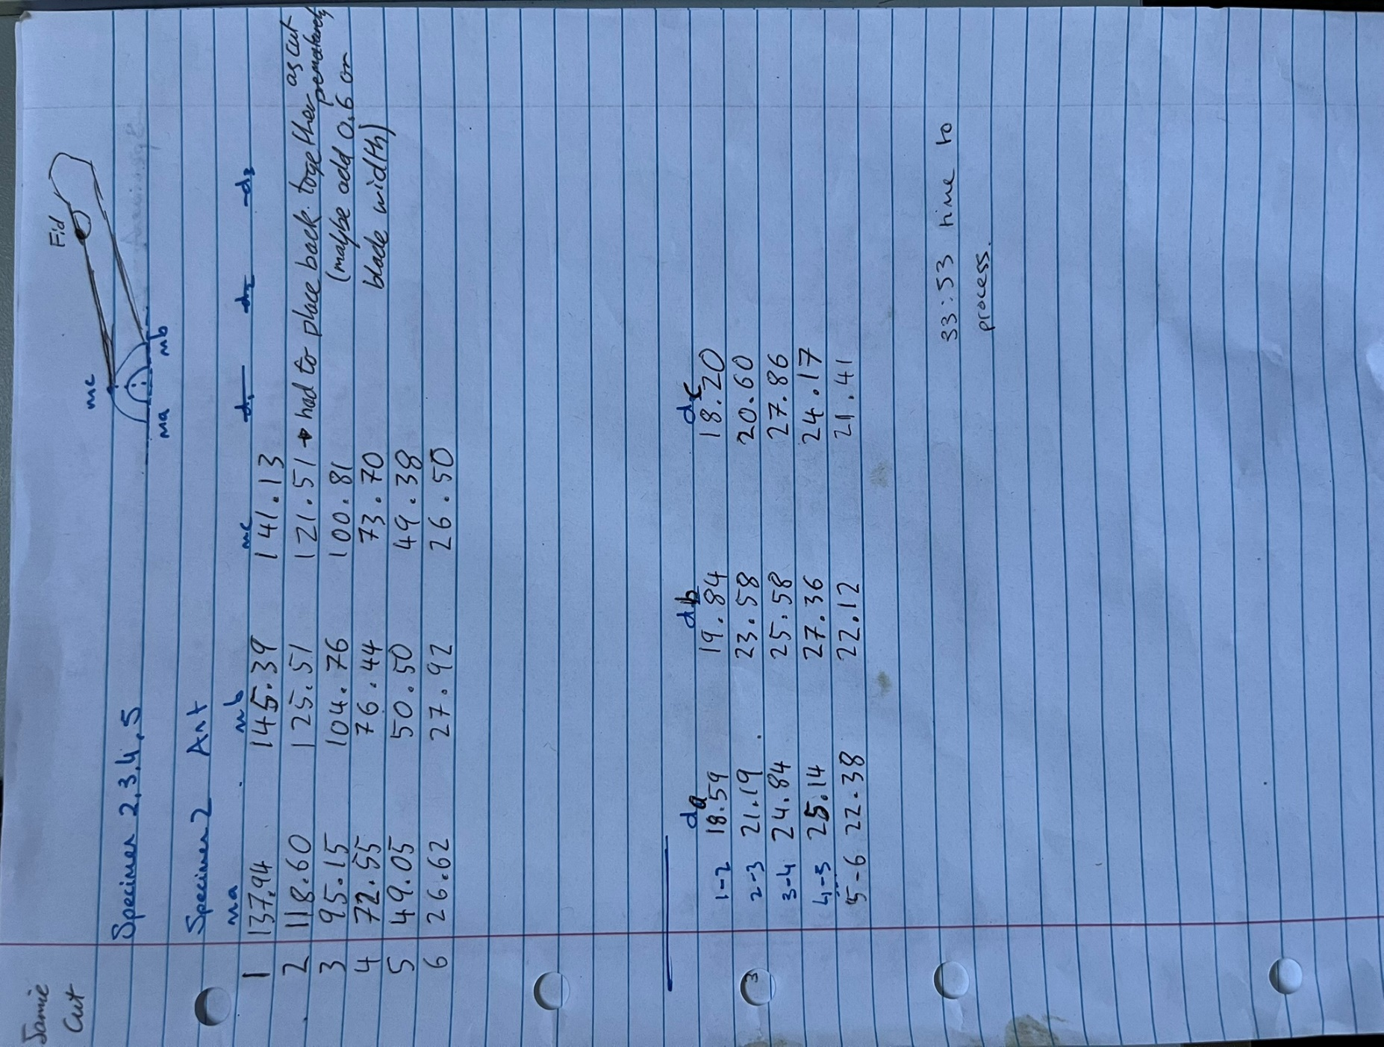
Anterior |  | Specimen 02
Cut on 31-01-2025 |  | Bladewidth -0.6mm

 | Posterior |  |  |  | Anterior
 | Cut # | ma | mb | mc | Cut # | ma | mb | mc
 | 1 | Posterior was used as a test spec |  |  | 1 | 137.94 | 145.39 | 141.13
 | 2 |  |  |  | 2 | 118.6 | 125.51 | 121.51
 | 3 |  |  |  | 3 | 95.15 | 104.76 | 100.81
 | 4 |  |  |  | 4 | 72.55 | 76.44 | 73.7
 | 5 |  |  |  | 6 | 49.05 | 50.5 | 49.38
 | 6 |  |  |  | 7 | 26.62 | 27.92 | 26.5

 |  |  |  |  | Anterior
 |  |  |  |  | Width | da | db | dc
 |  |  |  |  | 1 to 2 | 18.59 | 19.84 | 18.2
 |  |  |  |  | 2 to 3 | 21.19 | 23.58 | 20.6
 |  |  |  |  | 3 to 4 | 24.84 | 25.58 | 27.86
 | Posterior |  |  |  | 4 to 5 | 25.14 | 27.36 | 24.17
 | Width | da | db | dc | 5 to 6 | 22.38 | 22.12 | 21.41
 | 1 to 2
 | 2 to 3
 | 3 to 4
 | 4 to 5
 | 5 to 6

